Cover
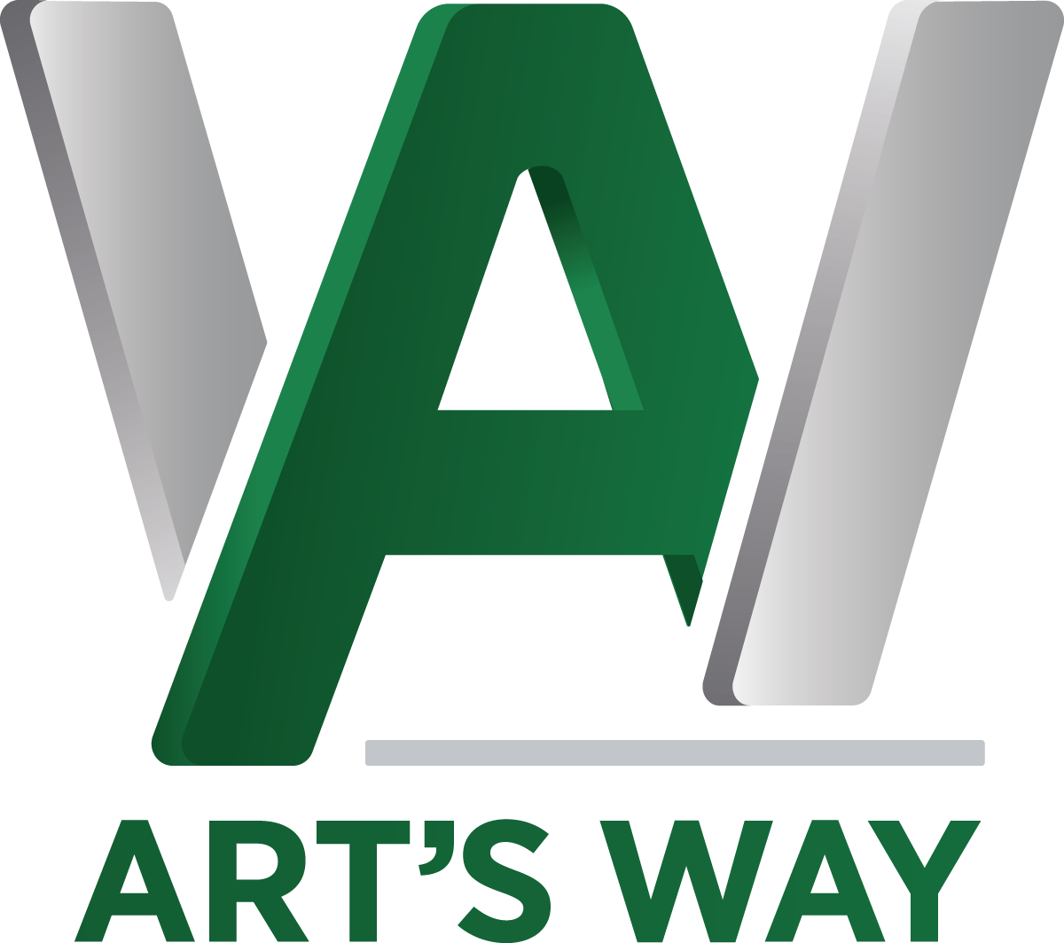

List Pricing

November 25, 2025

Art's Way Manufacturing Co., Inc.
Armstrong, IA 50514-0288
Dock 5 for Whole Goods
712-208-8467
www.artsway.com

